State function
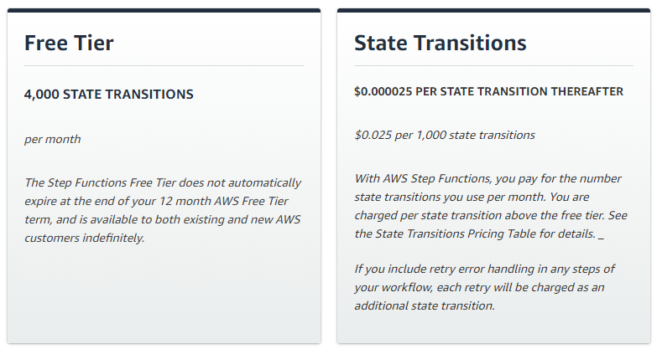
Invocation amout for each site | 4

Lamda function
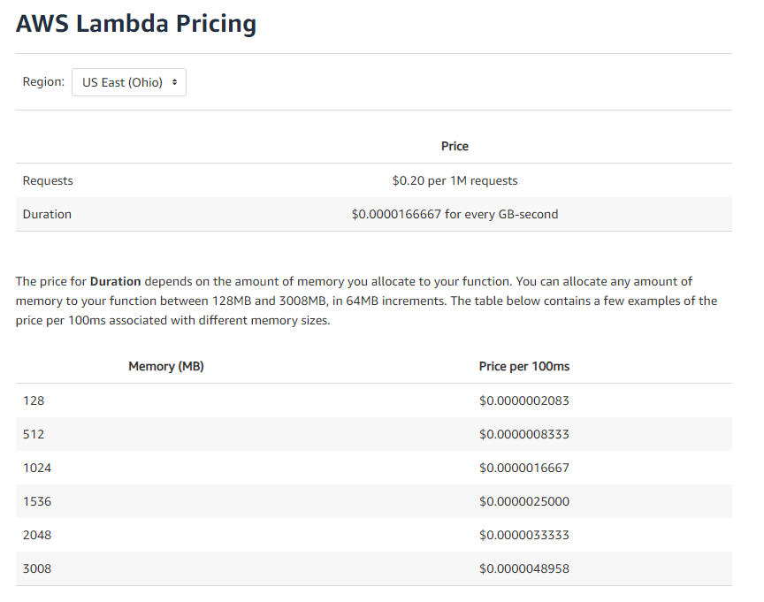
Calculator link | https://aws.amazon.com/lambda/pricing/
Calculation invocation amount (based on periodicy of 5m, 1h, 1w, 1m)
 | 5m in month | 8760
 | 1d in month | 30.416666667
 | 1w in month | 4.3452380952
 | 1m in month | 1

Total month invocation per site |  | 8795.7619048
Total month invocation 10k res

